Test Cases
TC #ID | Project/Module Name | Req #ID | Scenario | Test Case title | Steps | Test data | Expected result | Actual result | Status (Passed/failed) | Comments
TC_MyInfo_001 | OrangeHRM-MyInfo | 3.1.1 | ESS User login | Verify login with valid ESS username and valid password | 1. Launch browser 2. Open URL: "https://opensource-demo.orangehrmlive.com" 3. Provide valid ESS username 4. Provide valid password 5. Click login button | niaz.morshed/n@333 | Login successful ESS user should see MyInfo page after successful login | Dashboard is displayed after successful login instead of MyInfo page. | Failed (P3)
TC_MyInfo_002 | OrangeHRM-MyInfo | 3.1.1 | ESS User login | Verify login with valid ESS username and in-valid password | 1. Launch browser 2. Open URL: "..." 3. Provide valid ESS username 4. Provide in-valid password 5. Click login button | niaz.morshed/n333 | Invalid credentials | As Expected | Passed
TC_MyInfo_003 | OrangeHRM-MyInfo | 3.1.1 | ESS User login | Verify login with in-valid ESS username and valid password | 1. Launch browser 2. Open URL: "..." 3. Provide in-valid ESS username 4. Provide valid password 5. Click login button | n.morshed/n@333 | Invalid credentials | As Expected | Passed
TC_MyInfo_004 | OrangeHRM-MyInfo | 3.1.1 | ESS User login | Verify login with in-valid ESS username and in-valid password | 1. Launch browser 2. Open URL: "..." 3. Provide in-valid ESS username 4. Provide in-valid password 5. Click login button | n.m/n@3 | Invalid credentials | As Expected | Passed
TC_MyInfo_005 | OrangeHRM-MyInfo | 3.1.1 | ESS User can view personal details | Verify ESS user is able to view personal details | 1. Login to OrangeHRM as ESS user 2. Click on MyInfo tab 3. Click on personal details link | NA | User should view personal details | As Expected | Passed
TC_MyInfo_006 | OrangeHRM-MyInfo | 3.1.1 | ESS user can edit personal details | Verify ESS user can edit some fields in personal details | 1. Login to OrangeHRM as ESS user 2. Click on MyInfo tab 3. Click on personal details link 4. click on edit button 5. Edit fullname,middle name,lastname,gender | NA | User should able to edit and save personal details | As Expected | Passed
TC_MyInfo_007 | OrangeHRM-MyInfo | 3.1.1 | ESS user cannot edit restricted personal details | Verify ESS user cannot edit restricted fields in personal details | 1. Login to OrangeHRM as ESS user 2. Click on MyInfo tab 3. Click on personal details link 4. click on edit button | NA | The following fields shold be non edita ble: Employee ID SSN No Date of Birth | As Expected Clarification required on SSN No as this is not visible in MyInfo-->Personal Details page. | Partially Passed
TC_MyInfo_008 | OrangeHRM-MyInfo | 3.1.2 | ESS user can add a photograph | Verify ESS user is able to add a photograph | 1. Login to OrangeHRM as ESS user 2. Click on MyInfo tab 3. Click on the photograph 4. click on "Browse" and select a photo from relevant path 5. Click upload | 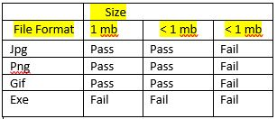 Images | An error should be displayed that it is an invalid file format when you upload non supported files (like: .exe) | The message of "invalid file type" should appear ufter upload button is pressed. But it uploads complete ".exe" file and then gives the message "invalid file type". | Failed (P2)

Bug Report
Column1 | Column2 | Column3 | Column4 | Column5 | Column6 | Column7 | Column8 | Column9 | Column10 | Column11 | Column12 | Column13 | Column14 | Column15 | Column16
 |  |  |  | QA |  |  |  |  |  |  |  | Dev
Bug #ID | Module Name | Build No | Description | TC #ID | Steps to replicate bug | Screenshot | Sevirity | Priority | Reported By | Assigned To | Resolution | Status | Fixed Date
ORHRM_001 | Orange HRM MyInfo | 1 | Dashboard is displayed after successful login instead of MyInfo page. | TC_MyInfo 001 | 1. Launch browser 2. Open URL: "https://opensource-demo.orangehrmlive.com" 3. Provide valid ESS username 4. Provide valid password 5. Click login button | 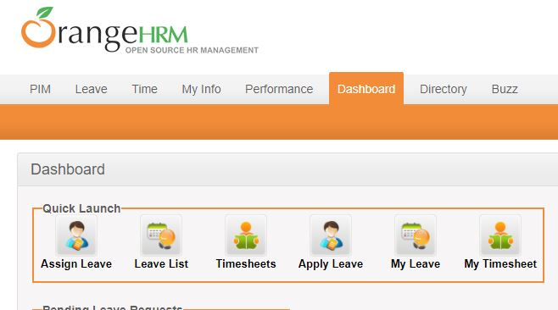 | S3 | P3 | Md. Niaz Morshed | Fiona | Accepted | In Progress | 2020-03-12
ORHRM_002 | Orange HRM MyInfo | 1 | The invalid file format error message for invalid photograph is appearing after the upload is complete. | TC_MyInfo 008 | 1. Login to OrangeHRM as ESS user 2. Click on MyInfo tab 3. Click on the photograph 4. click on "Browse" and select a photo from relevant path 5. Click upload | 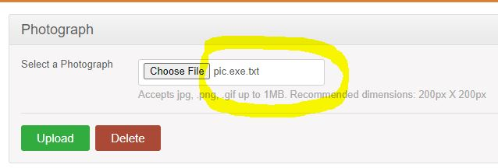 | S3 | P3 | Md. Niaz Morshed | Fiona | Accepted | Open | 2020-09-12

